MN IRP
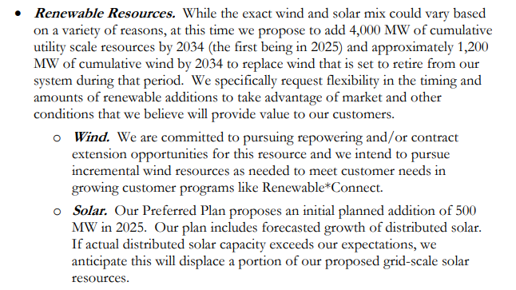
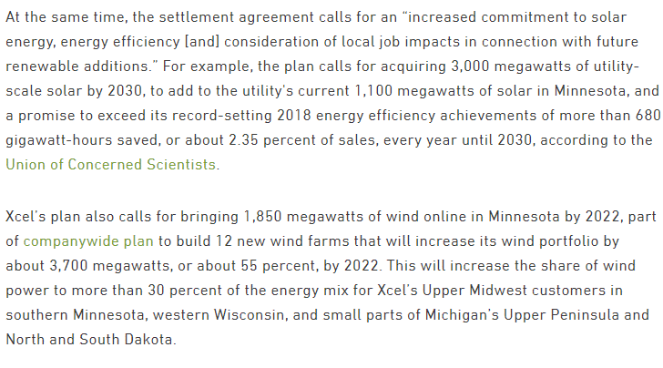
Xcel IRP
https://www.greentechmedia.com/articles/read/xcel-energy-accelerates-coal-plant-closures-to-meet-100-clean-energy-goal
https://www.xcelenergy.com/staticfiles/xe-responsive/Company/Rates%20&%20Regulations/The-Resource-Plan-No-Appendices.pdf
https://www.greentechmedia.com/articles/read/xcel-targets-1.4b-in-wind-solar-investments-outlines-broader-carbon-reduction-goals

 | Additional capacity: |  |  | already have 1000 MW of solar

In Minnesota |  | 2025 | 2030 | 2034 | Total | per year
 | solar pv | 450 | 3550 |  | 4000 | 710
 | wind | 650 |  | 1200 | 1200 | 133.33333333

Mandated Construction (MW) | 2019 | 2020 | 2021 | 2022 | 2023 | 2024 | 2025 | 2026 | 2027 | 2028 | 2029 | 2030 | 2031 | 2032 | 2033 | 2034 | 2035 | 2036 | 2037 | 2038 | 2039 | 2040 | 2041 | 2042 | 2043 | 2044 | 2045 | 2046 | 2047 | 2048 | 2049 | 2050
hard coal
natural gas nonpeaker
nuclear
hydro
onshore wind |  |  |  |  |  |  | 650 | 133.33333333 | 133.33333333 | 133.33333333 | 133.33333333 | 133.33333333 | 133.33333333 | 133.33333333 | 133.33333333 | 133.33333333
solar PV |  |  |  |  |  |  | 450 | 710 | 710 | 710 | 710 | 710
solar thermal
biomass
geothermal
petroleum
natural gas peaker
lignite
offshore wind
crude oil
heavy or residual fuel oil
municipal solid waste

